readme
General Notes
*reagents do go bad after resuspension! I tried some reagents I made in January (Fig. 1) again in April, and they didn't work (Fig. 1.5).
In particular, I suspect the substrate mix went bad, because absorbances for my standards were fine, and they're the only samples that don't need the substrate mix; anything that got substrate mix didn't work

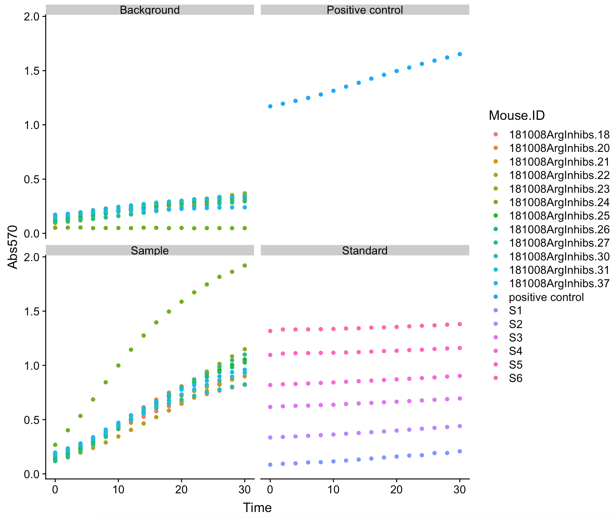
 |  |  |  |  |  | Fig. 1 | collected ~100mg liver, homogenized in 1mL PBS, spun-filtered 100uL homogenate (no pre-spin to remove solid material I think, oops), froze at -80, thawed after a few months (I think), took 40uL of homogenate, made a 1:10 dilution, loaded into this assay.

 |  |  |  |  |  | Notes about Fig. 1

 |  |  |  |  |  | This is a reasonable amount of background*
 |  |  |  |  |  | This is a reasonable amount of sample activity*
 |  |  |  |  |  | * one exception may be sample 24, which had less liver tissue to start (~1/4 of the rest)

 |  |  |  |  |  | The positive control is too high, I normally expect it to get to max ~0.6 OD
 |  |  |  |  |  | Standards look reasonable

 |  |  |  |  |  | 2019-01-09

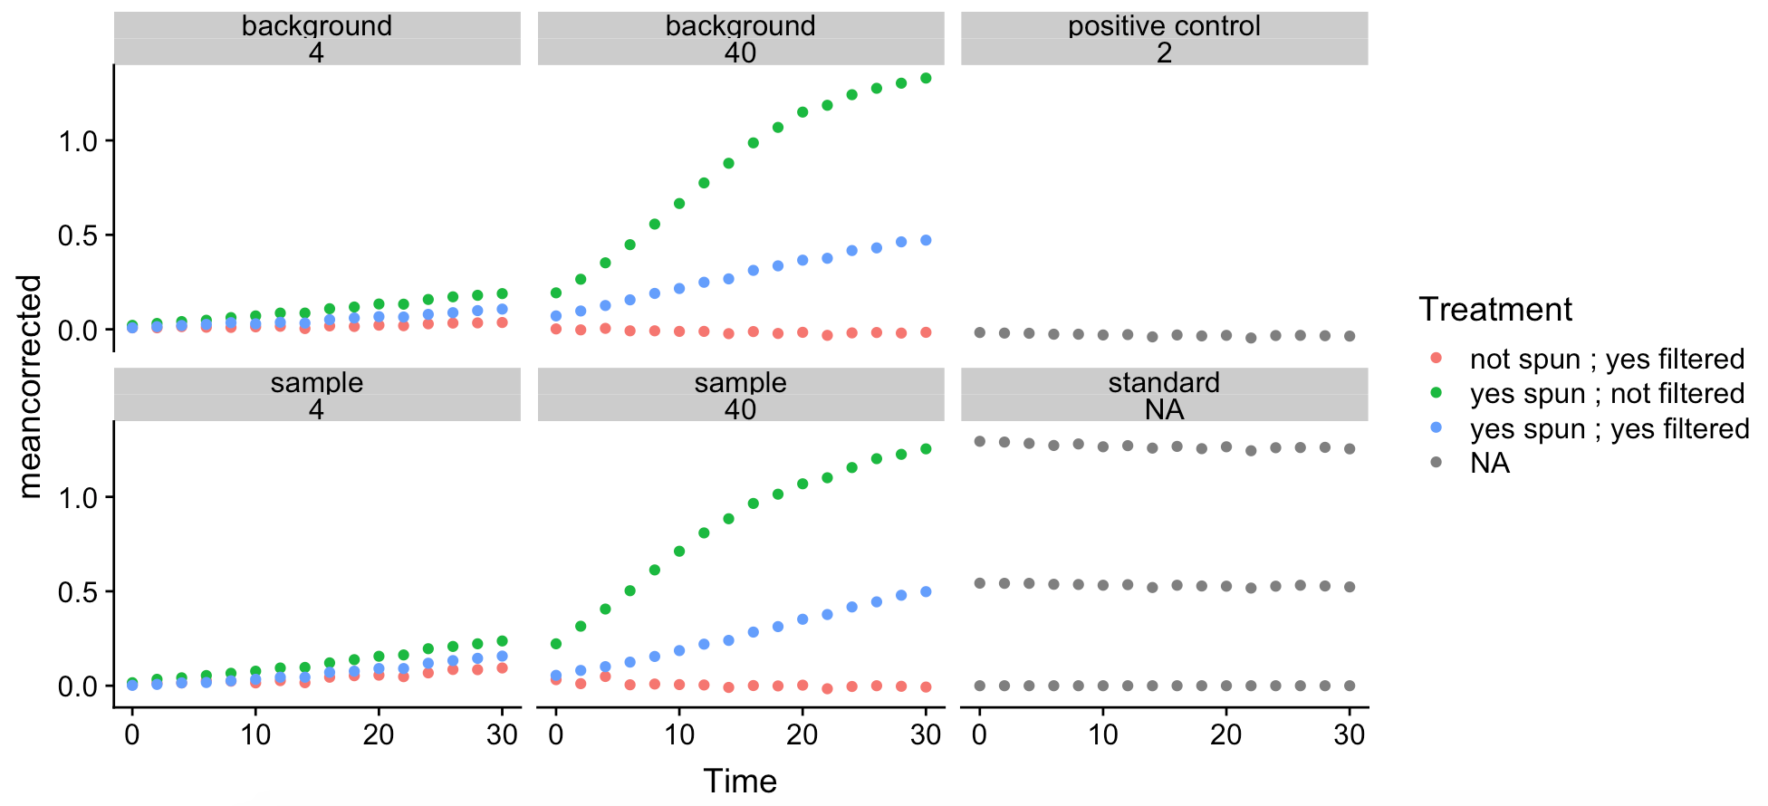
 |  |  |  |  |  |  |  |  |  | Fig. 1.5 Reagents do go bad.

 |  |  |  |  |  |  |  |  |  | positive control had bubbles in it and didn't work anyway, which is why absorbance goes down
 |  |  |  |  |  |  |  |  |  | standards look reasonable.

 |  |  |  |  |  |  |  |  |  | I either added 4uL or 40uL (separate panels) of liver homogenate (prepared 3 diff. ways, see colors)
 |  |  |  |  |  |  |  |  |  | Then I ran the assay, and saw a ton of background in the samples w/ 40uL liver
 |  |  |  |  |  |  |  |  |  | There's less background in the ones with just 4uL of lysate, so I'll proceed with that amt.

 |  |  |  |  |  |  |  |  |  | Regardless, you can see this assay didn't work; background is as high as actual samples.

 |  |  |  |  |  |  |  |  |  | 2019-04-24

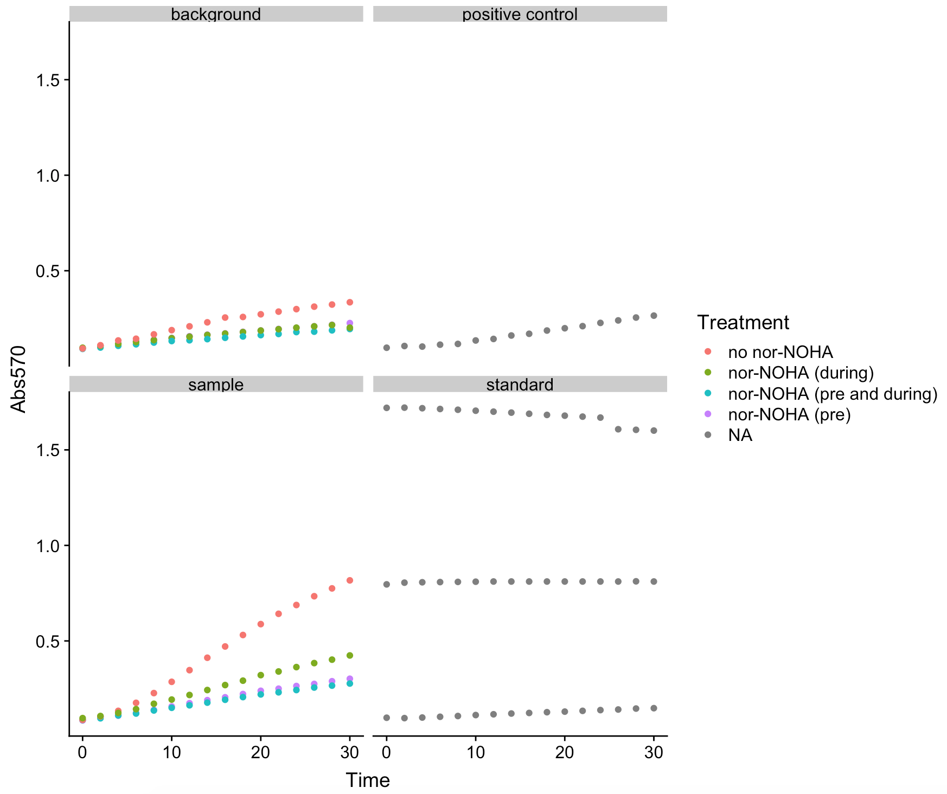
 |  |  |  |  |  | Fig. 2: Experiment quality assessment for 4/24/19 nor-NOHA experiment

 |  |  |  |  |  | Question:
 |  |  |  |  |  | Does the arginase inhibitor nor-NOHA inhibit arginase activity in liver lysate?

 |  |  |  |  |  | Approach:
 |  |  |  |  |  | took the same liver homogenate sample and did 1 of the following:
 |  |  |  |  |  | 1. no nor-NOHA added
 |  |  |  |  |  | 2. 1mM (1uL of 50mM) nor-NOHA added only during the plate read (during)
 |  |  |  |  |  | 3. 1mM (1uL of 50mM) nor-NOHA added during the 37 degree incubation step & during the plate read (pre and during)
 |  |  |  |  |  | 4. 1mM (1uL of 50mM) nor-NOHA added only during the 37 degree incubation step (pre)

 |  |  |  |  |  | Conclusions from this plot:
 |  |  |  |  |  | background and standards (S1, S3, S6 only) look good
 |  |  |  |  |  | Note that there is a slight difference in background depending on whether nor-NOHA was added.
 |  |  |  |  |  | Annoyingly, that probably means you should treat background samples with nor-NOHA.

 |  |  |  |  |  | Pink (no nor-NOHA) sample is approx. what you should see for liver sample, though a little low
 |  |  |  |  |  | Positive control looks like trash - slight possibility I didn't add rxn mix but doubt it
 |  |  |  |  |  | dunno what's going on, I tend to have problems w/ positive controls

 | 2019-04-24

 | NOTE: above and below are from same experiment

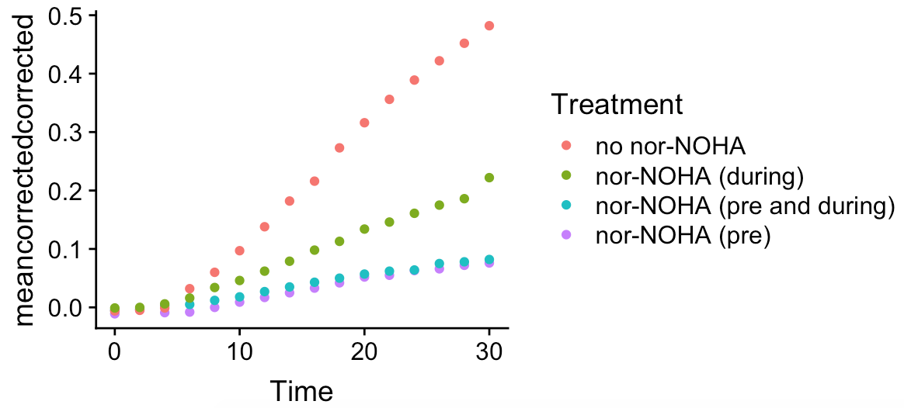
 |  |  |  |  |  |  | Fig. 3 nor-NOHA inhibits arginase activity

 |  |  |  |  |  |  | Question:
 |  |  |  |  |  |  | Does the arginase inhibitor nor-NOHA inhibit arginase activity in liver lysate?

 |  |  |  |  |  |  | Approach:
 |  |  |  |  |  |  | took the same liver homogenate sample and did 1 of the following:
 |  |  |  |  |  |  | 1. no nor-NOHA added
 |  |  |  |  |  |  | 2. 1mM (1uL of 50mM) nor-NOHA added only during the plate read (during)
 |  |  |  |  |  |  | 3. 1mM (1uL of 50mM) nor-NOHA added during the 37 degree incubation step & during the plate read (pre and during)
 |  |  |  |  |  |  | 4. 1mM (1uL of 50mM) nor-NOHA added only during the 37 degree incubation step (pre)

 |  |  |  |  |  |  | Conclusions:
 |  |  |  |  |  |  | nor-NOHA inhibits arginase activity
 |  |  |  |  |  |  | it's most effective when added during the incubation step
 |  |  |  |  |  |  | nor-NOHA given at both phases does not strengthen inhibition
 | 2019-04-24

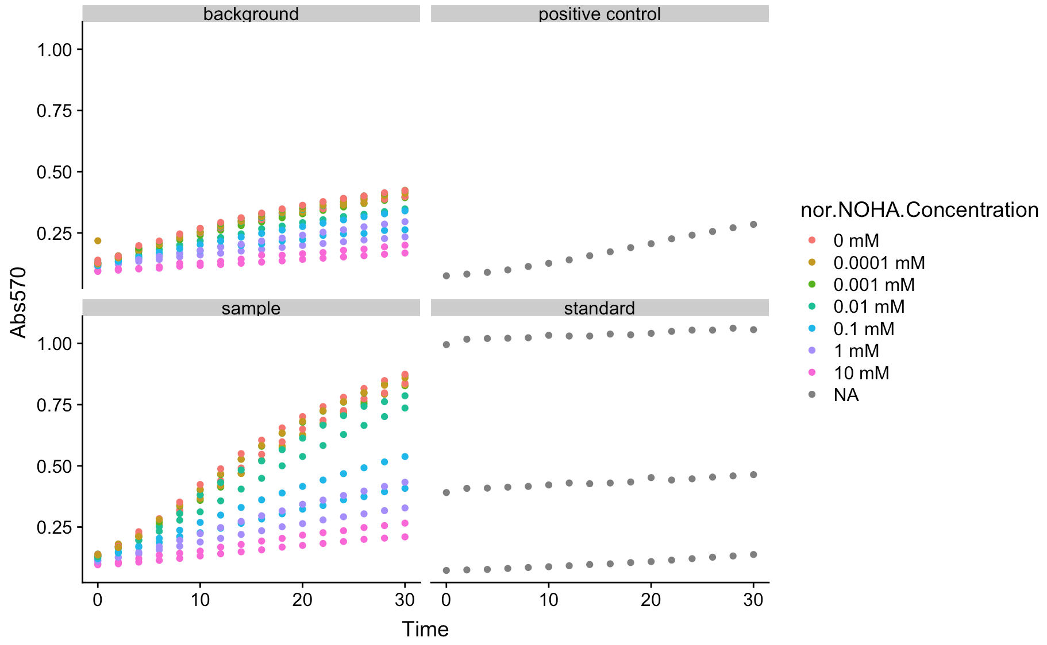
 |  |  |  |  |  |  | notice the positive control, it's less than 0.5 (maybe 0.3?)
 |  |  |  |  |  |  | in the Abcam booklet, it says the positive control should be around 0.6
 |  |  |  |  |  |  | I have noticed that with a new kit, I need way way less sample to get the absorbances I expect.
 |  |  |  |  |  |  | It's actually quite annoying.
 |  |  |  |  |  |  | Standards vary from experiment to experiment.
 |  |  |  |  |  |  | Which means that apparently my protocol or the reaction components also vary.
 |  |  |  |  |  |  | Because I have seen 1.5 max absorbance for highest standard, but none of the samples have absorbances more than ~1.
 |  |  |  |  |  |  | Currently (8/26/19), many of my infected plasma samples and my normal amount of liver positive control - 4uL from 100uL from 1mL containing 100mg - is waaaaay high.
 |  |  |  |  |  |  | So…. Can't use just the standards to control between experiments. Will need to use the liver positive control.
 |  |  |  |  |  |  | And it probably makes sense if I'm careful to do a negative control of plasma each time, to ensure I'm loading the correct amount of sample.

 |  |  |  |  |  |  | This is the dose-response experiment I did with nor-NOHA. Within-experiment relationships look good.
 |  |  |  |  |  |  | Sample absorbances are a little bit low, but not bad.
 |  |  |  |  |  |  | standards are a little low, but not bad.
 |  |  |  |  |  |  | positive control is low.

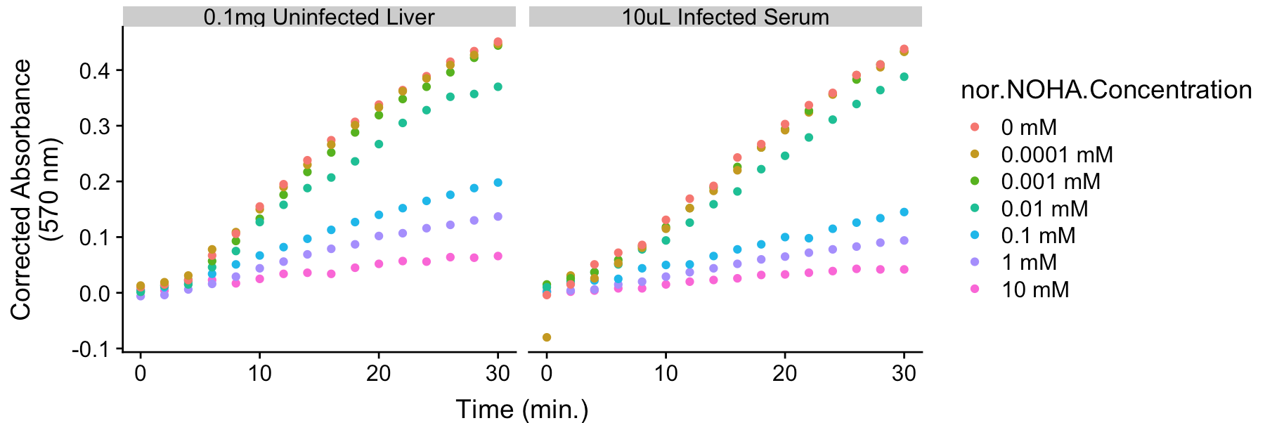
 |  |  |  |  |  |  | nice sigmoidal dose response |  |  |  | with units used for other studies
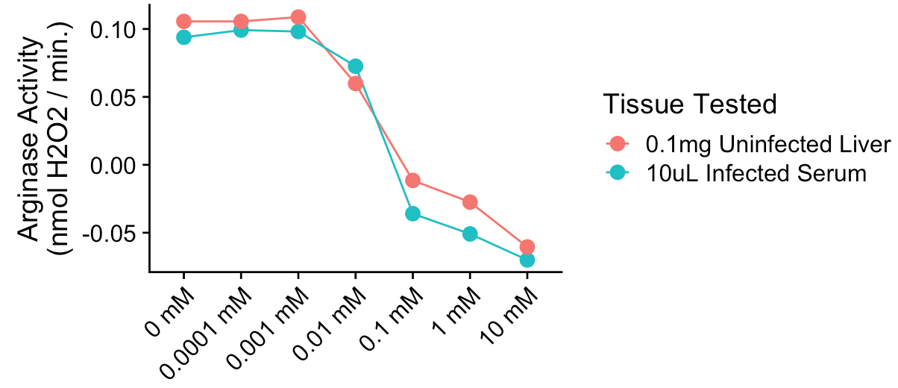
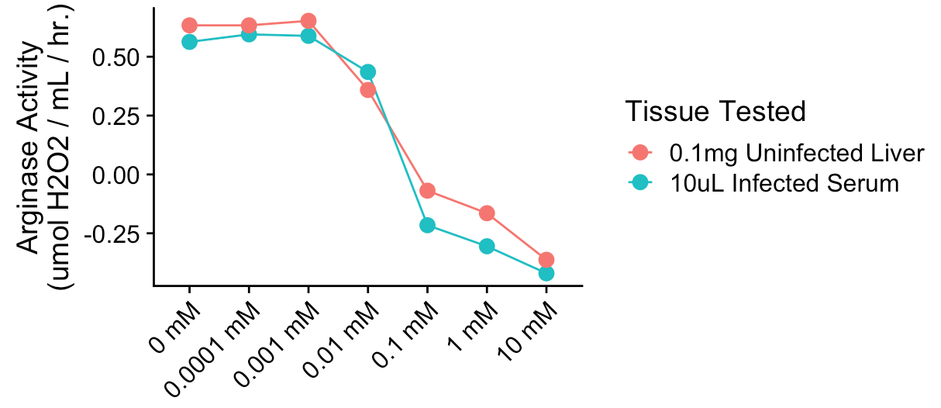

 |  |  |  |  |  |  |  |  |  |  | reasonably comparable to human data
 |  |  |  |  |  |  |  |  |  |  | except for the negative values of course
 | it would help to know what other metrics of arginase activity people use
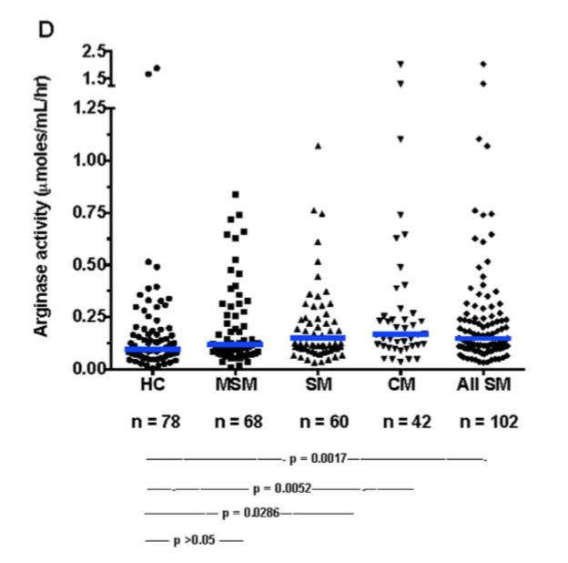
 |  |  |  |  | from Weinberg et al. 2016 in Scientific Reports, where they think arginase is coming from monocytes

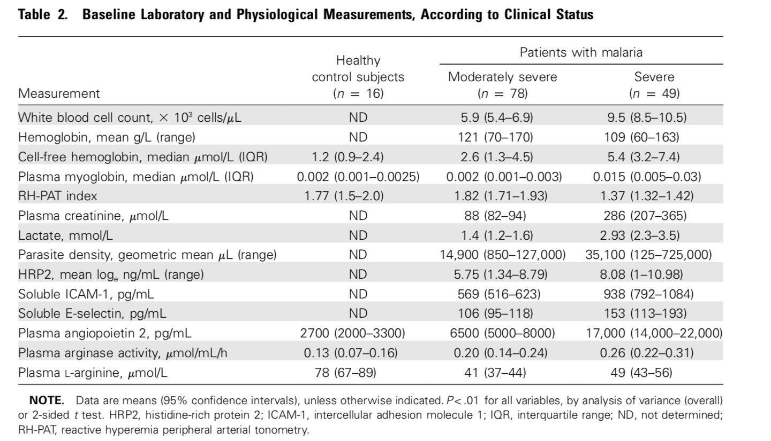
 |  |  |  |  |  | from Yeo et al. 2000

 |  | healthy | msm | sm

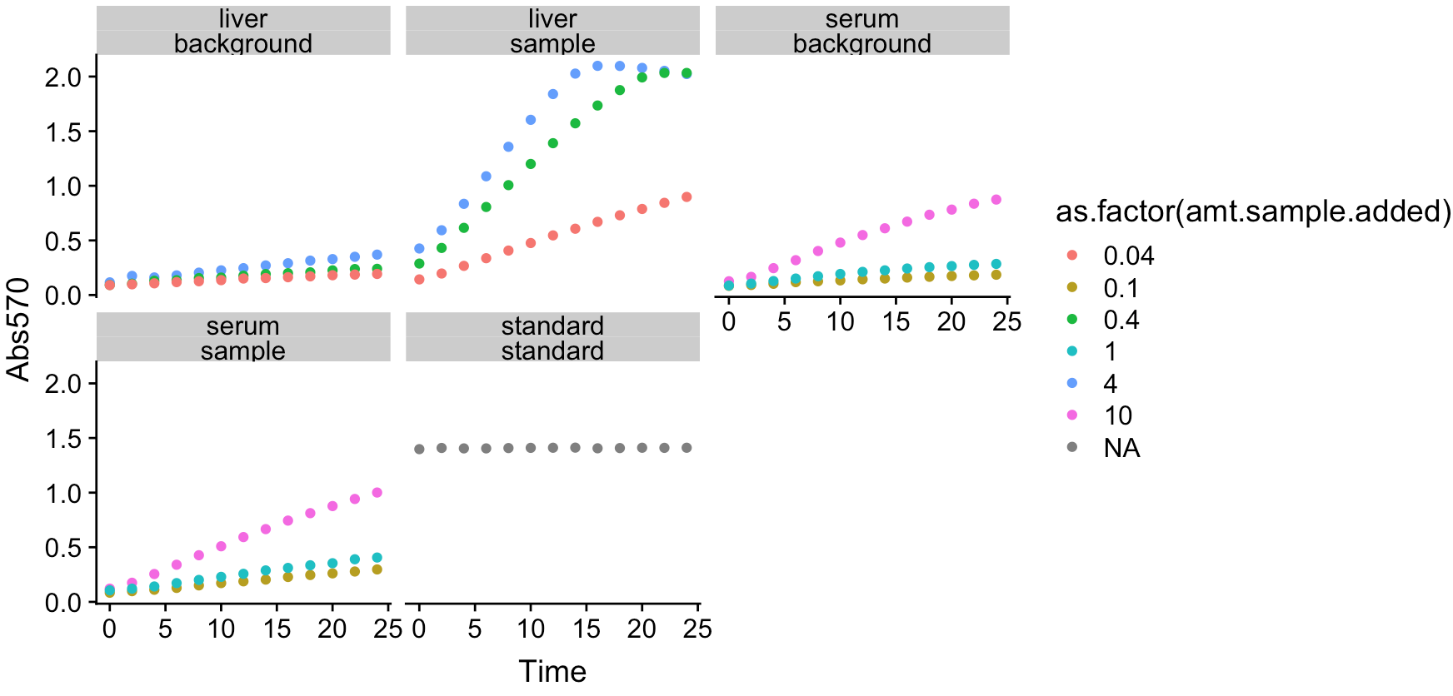
 |  |  |  |  |  |  | did this assay on 8/26 because I swear there's something different about my latest kit.
 |  |  |  |  |  | note | note how high the liver samples are! Normally I add 4uL of liver - the blue line.
 |  |  |  |  |  |  | but the absorbance was high as fuck.
 |  |  |  |  |  |  | the standard is on the high end (it's S6, the highest concentration) but not way higher than other rounds i've done in the past.
 |  |  |  |  |  |  | the serum is uninfected, and thankfully activity at all dilutions still appears to be zero
 |  |  |  |  |  |  | somewhere between 1 and 10 might be ok for uninfected animals.
 |  |  |  |  |  |  | for infected animals, I'll probably need to do way less

 |  |  |  |  |  |  | I tried adding 10uL of serum to my last batch of serum tests, look at the curves

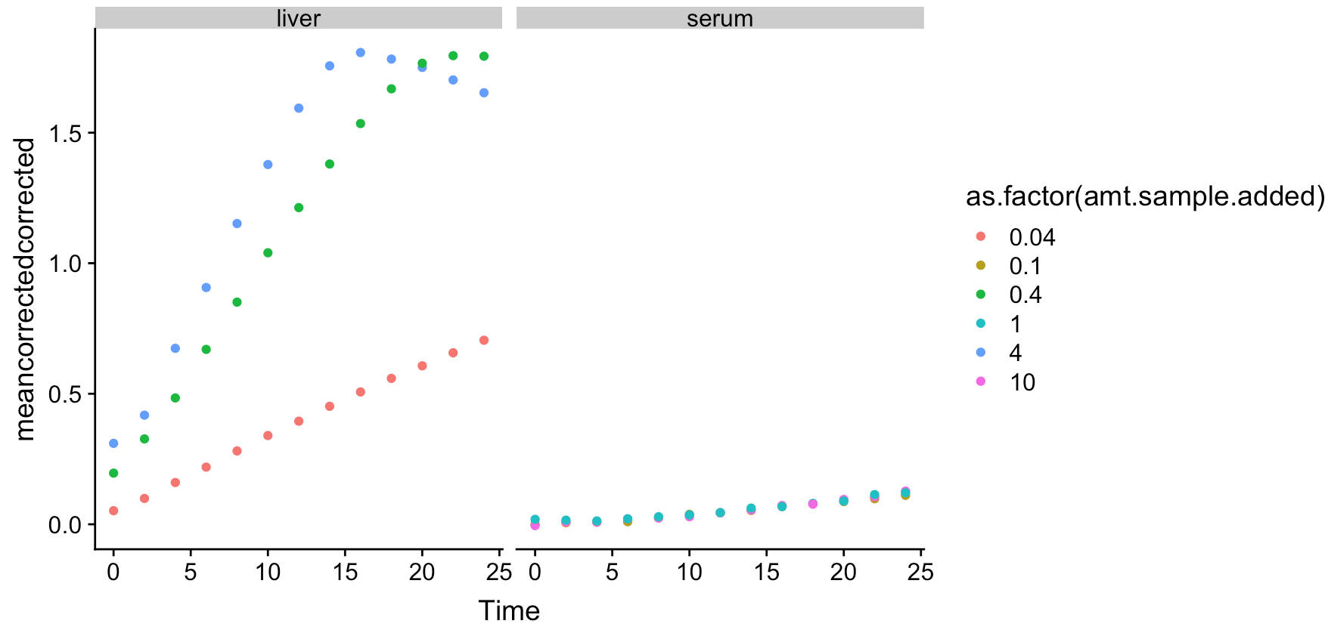

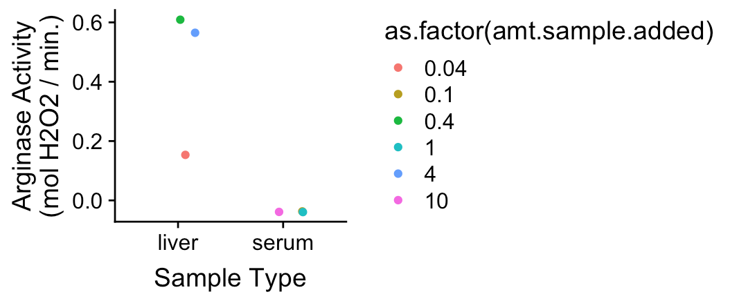
 |  |  |  |  | damn. Dilution matters quite a bit for the high end of arginase activity.
 |  |  |  |  | looks like for uninfected serum, you get the same answer regardless.

 |  |  |  |  | so you'll probably want… let's say 1uL uninfected serum for this strong assay.
 |  |  |  |  | possibly 10uL for the weaker assay.
 |  |  |  |  | make 10uL negative control samples.

New question: how many times do you need to wash a plasma sample in those spin columns?
Answer: definitely at least 2. glad I checked…
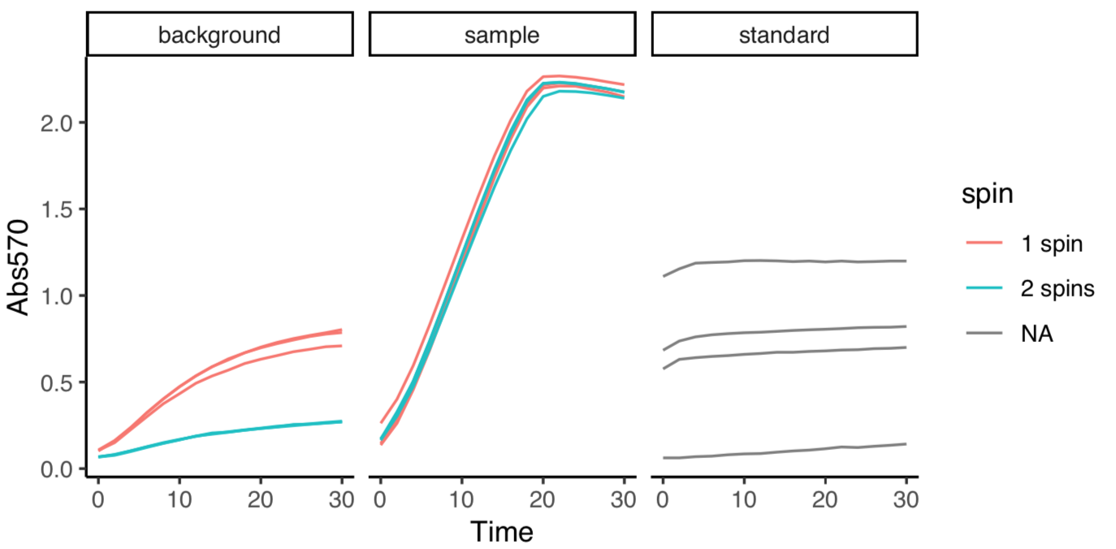

 |  |  |  |  |  |  |  | spin 1 = few ul plasma, filled to 500ul with water
 |  |  |  |  |  |  |  | spin 2 = refilled to 500ul with water

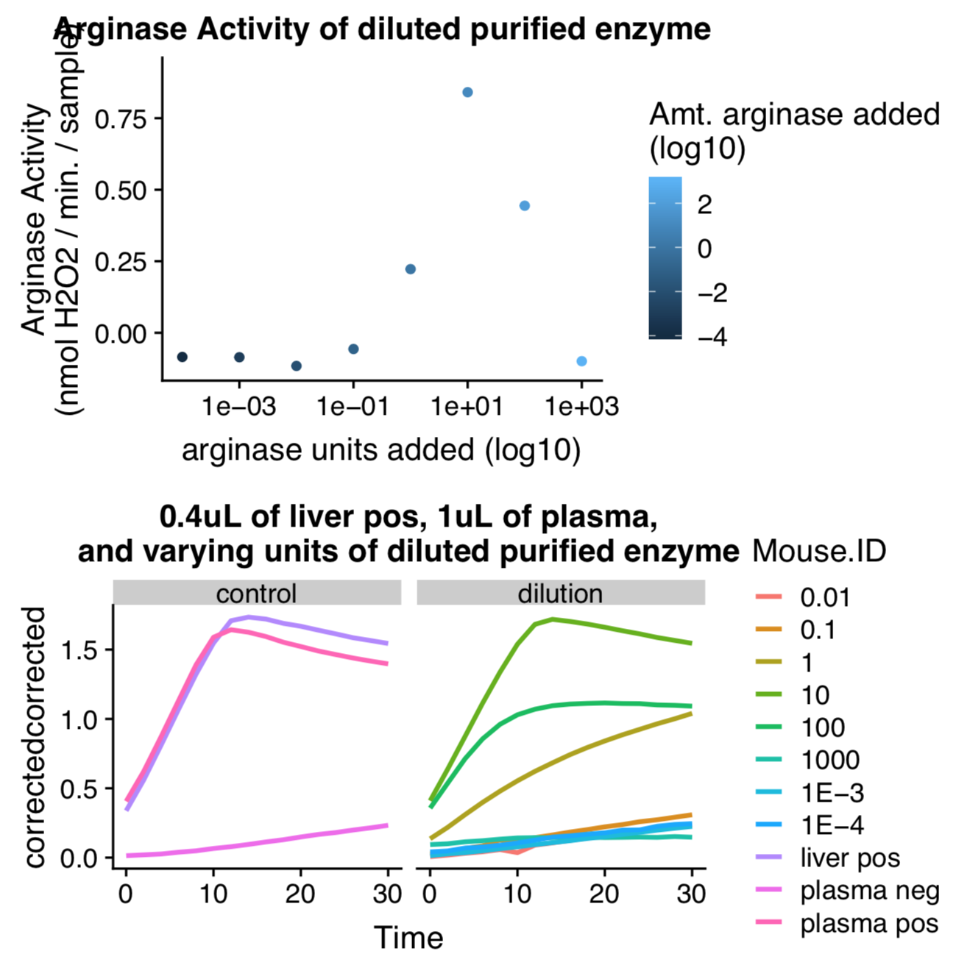
 |  |  |  |  |  |  | Fig. 7-ish: try to assay between 1 and 10 units of enzyme

A1/A2 | started w/ 19.1 mg of arginase in 100uL buffer (this lot contains 131 U/mg) which is 1000 U / 40uL
B1/B2 | took 20uL of that (500 U), diluted 1:10 for a 2.5 U / uL solution, 100 U / 40 uL
… | 1:10 dilutions on down from there; so this is 10 U
… | 1 U
… | 0.1 U
… | 0.01 U
… | 0.001 U
H1/H2 | 0.0001 U

 |  |  |  |  |  |  |  | results! 1-10 units of arginase is great

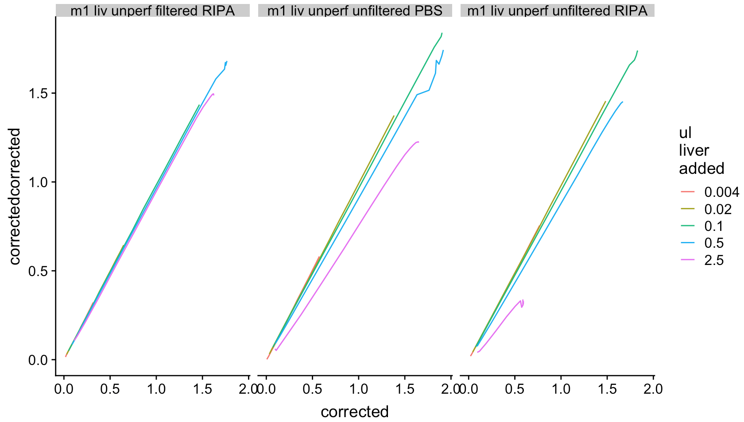
 |  |  |  |  |  |  |  |  | if background scaled linearly with total absorbance, these lines would all have same slope
 |  |  |  |  |  |  |  |  | that's true for filtered sample

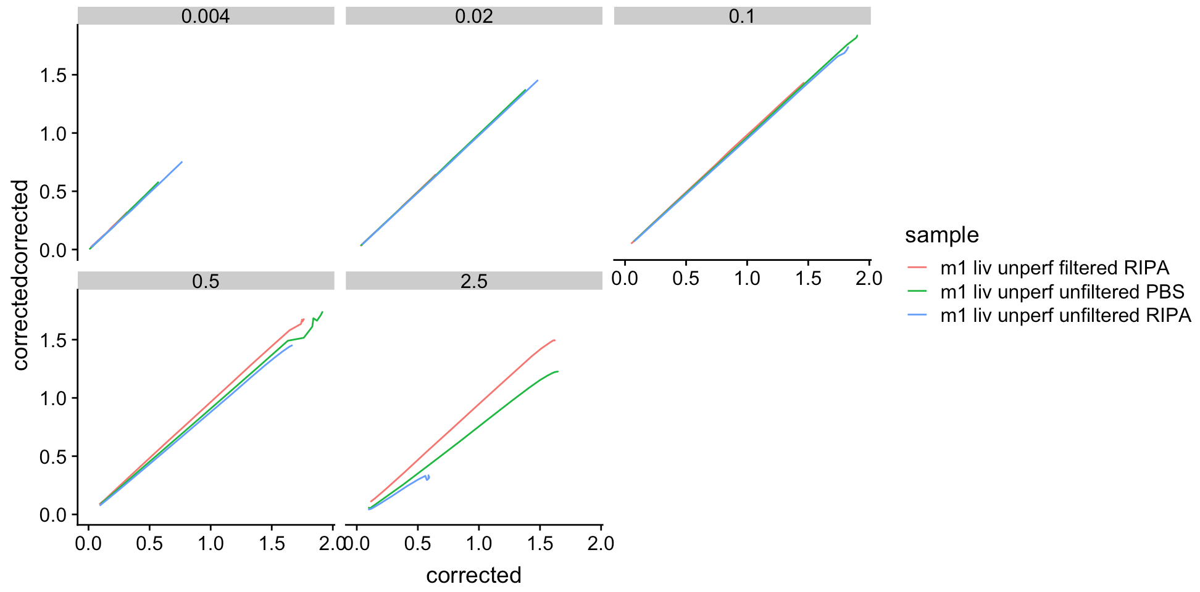

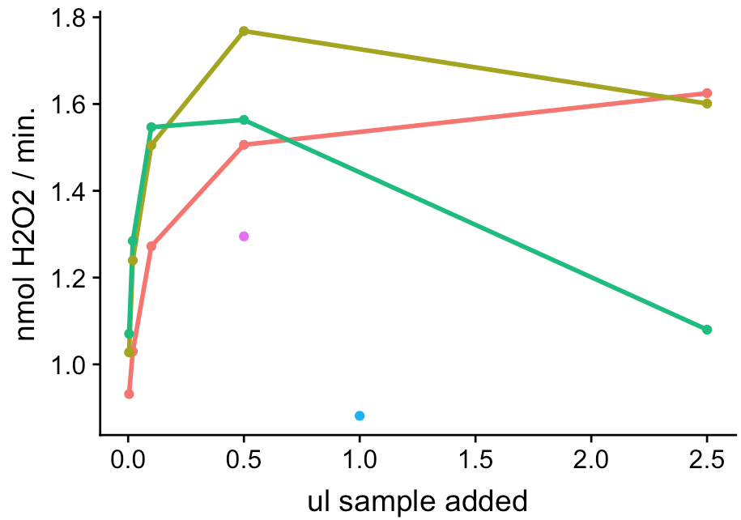
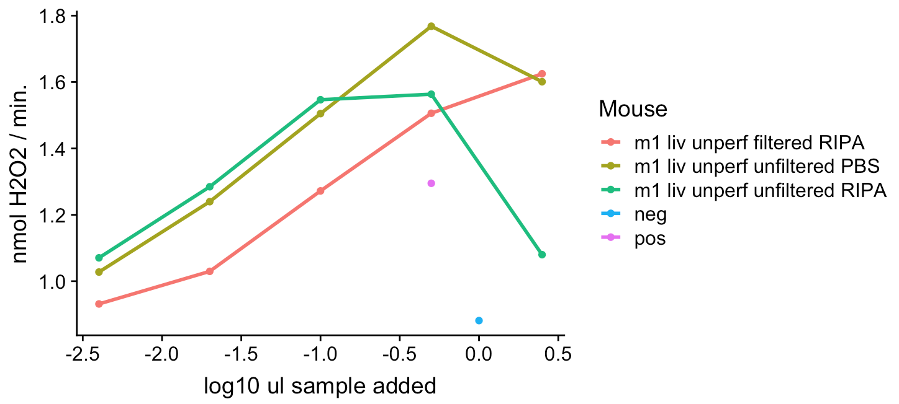

 |  |  |  |  |  |  |  |  |  | sample concentrations
 |  |  |  |  |  |  |  |  |  | filtered ripa = 30 ug/ul
 |  |  |  |  |  |  |  |  |  | unfiltered ripa = 152 ug/ul
 |  |  |  |  |  |  |  |  |  | unfiltered PBS = 134 ug/ul
 |  |  |  |  |  |  |  |  |  | for each sample, I loaded 2.5, 0.5, 0.1, 0.02, and 0.004 ul (so 5x dilutions)

 |  |  |  |  |  |  |  |  |  | pos & neg are my standard plasma controls (so my positive control is m80 that was a very sick mouse from one of my experiments, and healthy plasma for the negative control)

 | finding the linear range for liver samples
 | all samples were from the same mouse, all were shaken for 2 hrs.; remaining sample processing variables can be seen in the legend
 | note that the filtered sample is (pretty sure) 5x less concentrated than the unfiltered samples
 | you'll notice that a 5x dilution of a sample does not result in a 5x reduction in activity… I dunno why. Not ideal.
 | But assuming the relationship between activity & amount of enzyme is at least LINEAR (like it is for samples in which I loaded ~0.6 - 15 ug), maybe I can still use a liver sample's activity to backcalculate amount of arginase present in sample
 | So far, the correlation holds true regardless of sample prep though I don't have a lot of samples to say that for sure…

